Blad1
 | PUMA IN STOCK!
 |  | EU | 40 | 41 | 42 | 43 | 44 | 45
Article | Model | UK | 6.5 | 7.5 | 8 | 9 | 9.5 | 10.5 | Total | RRP/UVP
365944 01 | Puma Basket White / Black |  | 41 | 86 | 149 | 96 | 44 | 16 | 432 | € 110.00
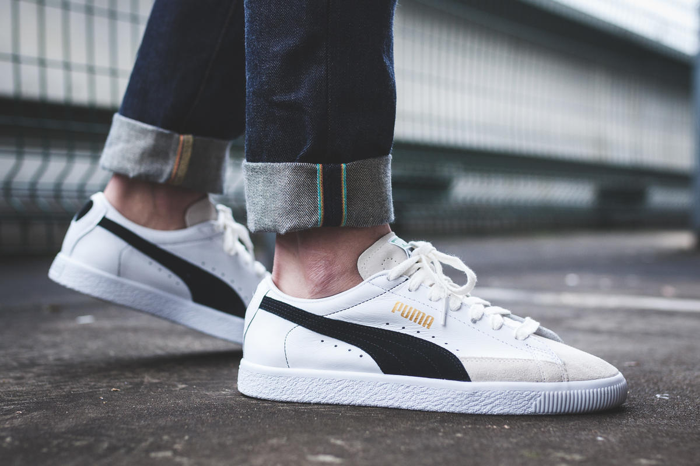
 |  |  |  |  |  |  |  |  | 432

